Sheet1
4.1 Cancellation Terminal -> Central |  |  |  |  | 2021-01-27

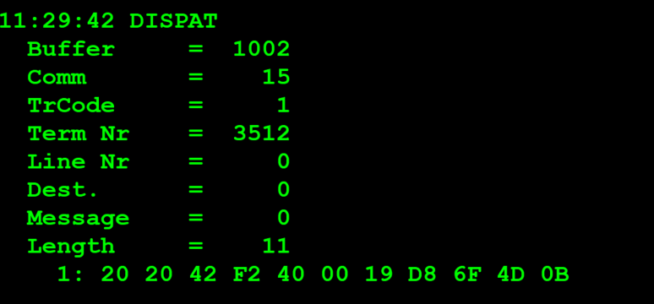
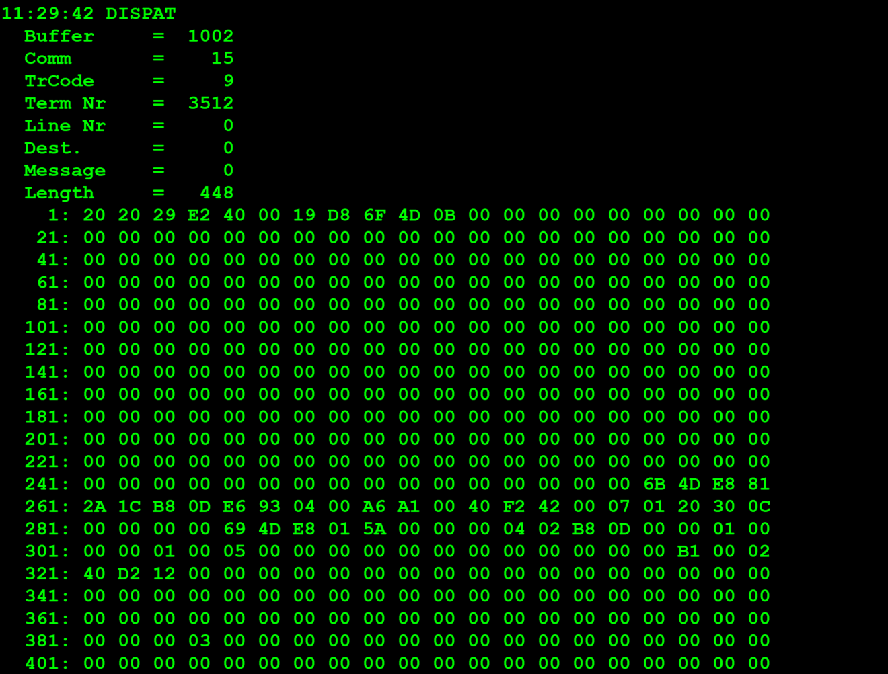
TestByte |  | Size | Field Contents |  | Hexadecimal | Binario | Decimal
Start | End
1 | 1 | 1 | Control | Sequence | 20 | Control=0010 Sequence=0000 | 2 0 | Control -> x10 - Application Message Sequence -> 0
2 | 2 | 1 | Type = 2 | Subtype = n | 20 | Type=0010 Subtype=0000 | Type=2 Subtype=0 | Type = 3 Subtype = 0
3 | 4 | 2 | Checksum |  | 42 F2
5 | 5 | 1 | Statistics (see below) |  | 40 |  |  | x40 -> Reader Entry
6 | 7 | 2 | Wager Julian Date |  | 00 19 |  | 25
8 | 10 | 3 | Wager Serial Number |  | D8 6F 4D |  | 14184269
11 | 11 | 1 | Wager Check Digits |  | 0B |  | 011

Statistics Flags:

x00 | = | Manual Entry
x40 | = | Reader Entry

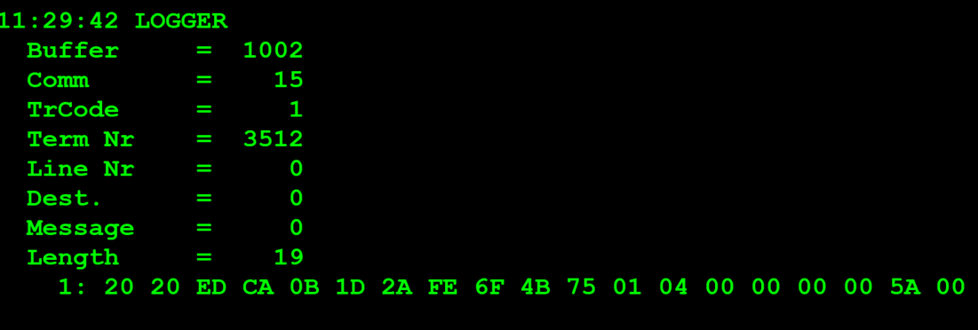
TestByte |  | Size | Field Contents
Start | End
1 | 1 | 1 | Control | Sequence | 20 | Control=0010 Sequence=0000 | 2 0 | Control -> x10 - Application Message Sequence -> 0
2 | 2 | 1 | Type = 2 | Subtype = 0 | 20 | Type=0010 Subtype=0000 | Type=2 Subtype=0 | Type = 3 Subtype = 0
3 | 4 | 2 | Checksum |  | ED CA
5 | 7 | 3 | Time |  | 0B 1D 2A |  | 11:29:42 | HH:MM:SS
8 | 10 | 3 | Cancellation Serial Number |  | FE 6F 4B |  |  | 16674635
11 | 11 | 1 | Cancellation Check Digits |  | 75 |  | 117
12 | 12 | 1 | Game Type |  | 01 |  | 1 | LOTO
13 | 13 | 1 | Game Index |  | 04 |  | 4 | TOTOLOTO Quarta
14 | 14 | 1 | Cancel Status = 0 |  | 0 |  | 0 | 0
15 | 18 | 4 | Cancel Amount (Wager Units) |  | 00 00 00 5A |  | 90 | centimos
19 | 19 | 1 | Monday Draw Indicator |  | 00 |  | 0

